Sheet1 (2)
 | Database for the Sustainable Development Report 2021 - Africa 5 Sept. 2021
 | https://dashboards.sdgindex.org/profiles

 | Legend
 | Dashboard : |  |  |  | Time Series :
 |  | green | Goal Achievement |  |  | ↑ | On track or maintaining achievement |  |  |  |  |  |  |  |  |  | green | Goal Achievement |  |  | ↑ | green | Goal Achievement |  |  | ↑
 |  | yellow | Challenges remain |  |  | ➚ | Moderately Increasing |  |  |  |  |  |  |  |  |  | yellow | Challenges remain |  |  | ➚ | yellow | Challenges remain |  |  | ➚
 |  | orange | Significant challenges |  |  | → | Stagnating |  |  |  |  |  |  |  |  |  | orange | Significant challenges |  |  | → | orange | Significant challenges |  |  | →
 |  | red | Major challenges |  |  | ↓ | Decreasing |  |  |  |  |  |  |  |  |  | red | Major challenges |  |  | ↓ | red | Major challenges |  |  | ↓
 |  | gray | Information unavailable |  |  | ‥ | Trend information unavailable

 | Sub-region / Country | Score (/100) | Rank (/165) | Spillover Score (/100) | REGION | Goal 1 Dash | Goal 1 Trend | Goal 2 Dash | Goal 2 Trend | Goal 3 Dash | Goal 3 Trend | Goal 4 Dash | Goal 4 Trend | Goal 5 Dash | Goal 5 Trend | Goal 6 Dash | Goal 6 Trend | Goal 7 Dash | Goal 7 Trend | Goal 8 Dash | Goal 8 Trend | Goal 9 Dash | Goal 9 Trend | Goal 10 Dash | Goal 10 Trend | Goal 11 Dash | Goal 11 Trend | Goal 12 Dash | Goal 12 Trand | Goal 13 Dash | Goal 13 Trend | Goal 14 Dash | Goal 14 Trend | Goal 15 Dash | Goal 15 Trend | Goal 16 Dash | Goal 16 Trend | Goal 17 Dash | Goal 17 Trend

 | Country | 2021 SDG Index Score | 2021 SDG Index Rank | Spillover Score (0-100) | Regions used for the SDR | Goal 1 Dash | Goal 1 Trend | Goal 2 Dash | Goal 2 Trend | Goal 3 Dash | Goal 3 Trend | Goal 4 Dash | Goal 4 Trend | Goal 5 Dash | Goal 5 Trend | Goal 6 Dash | Goal 6 Trend | Goal 7 Dash | Goal 7 Trend | Goal 8 Dash | Goal 8 Trend | Goal 9 Dash | Goal 9 Trend | Goal 10 Dash | Goal 10 Trend | Goal 11 Dash | Goal 11 Trend | Goal 12 Dash |  | Goal 13 Dash | Goal 13 Trend | Goal 14 Dash | Goal 14 Trend | Goal 15 Dash | Goal 15 Trend | Goal 16 Dash | Goal 16 Trend | Goal 17 Dash | Goal 17 Trend
1 | Burundi | 51.8 | 147 | 99.8 | Africa | red | ↓ | red | → | red | ➚ | orange | ↓ | red | → | red | → | red | → | red | ↑ | red | ↓ | orange |  | red | ➚ | orange |  | green | ↑ | grey |  | orange | → | red | → | orange | ↓
2 | Djibouti | 53.8 | 138 | 98.2 | Africa | red | ➚ | red | → | red | ➚ | red | → | orange | ➚ | red | ➚ | red | → | red | → | red | ➚ | red |  | red | → | orange |  | green | ↑ | red | → | red | ↓ | red | → | red | →
3 | Eritrea |  |  |  | Africa | grey |  | red | → | red | ➚ | red | ↓ | orange | → | red | → | red | ➚ | orange | ➚ | red | → | grey |  | red | ↓ | yellow |  | green | ↑ | red | → | red | ↓ | grey |  | grey
4 | Ethiopia | 54.5 | 136 | 99.7 | Africa | red | ↑ | red | → | red | ➚ | red |  | orange | → | red | → | red | ➚ | red | ➚ | red | → | orange |  | red | → | green |  | green | ↑ | grey |  | red | → | red | → | orange | →
5 | Kenya | 60.6 | 118 | 94.9 | Africa | red | ➚ | red | → | red | ➚ | orange |  | orange | ➚ | red | → | red | ➚ | orange | ➚ | red | ➚ | red |  | red | → | yellow |  | green | ↑ | red | ↓ | red | ↓ | red | → | orange | →
6 | Rwanda | 57.6 | 130 | 98.9 | Africa | red | → | red | → | red | ➚ | orange | → | orange | ➚ | red | ➚ | red | → | orange | ↑ | red | ➚ | red |  | red | → | orange |  | green | ↑ | grey |  | red | → | red | ➚ | orange | ➚
7 | Somalia | 45.6 | 162 | 100.0 | Africa | red | ↓ | red | → | red | → | grey |  | red | ➚ | red | ➚ | red | → | red | ➚ | red | → | orange |  | red | ➚ | yellow |  | green | ↑ | red | ➚ | red | → | red | ➚ | red | ➚
8 | South Sudan | 38.9 | 164 | 99.9 | Africa | red | ↓ | red | → | red | → | red |  | orange | → | red | → | red | ➚ | red | → | red | → | red |  | red | → | orange |  | green | ↑ | grey |  | red | → | red | ↓ | red | →
9 | Tanzania | 56.4 | 132 | 98.5 | Africa | red | → | red | → | red | → | orange | → | orange | ➚ | red | ➚ | red | ➚ | red | ↑ | red | → | red |  | red | ➚ | yellow |  | green | ↑ | red | ➚ | red | ↓ | red | ➚ | orange | →
10 | Uganda | 53.5 | 140 | 99.2 | Africa | red | → | red | ➚ | red | ➚ | orange |  | red | → | red | → | red | ➚ | red | ➚ | red | → | red |  | red | → | yellow |  | green | ↑ | grey |  | red | ↓ | red | → | red | →
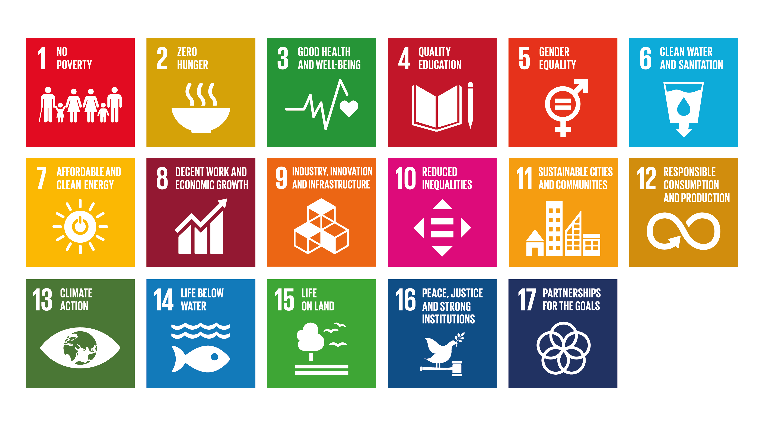

 |  | Achieved | Chalenge remaining | Significant challenges | Major Chalenges
 |  | Achieved | Moderately incereasing | Stagnant | Decreasing
1 | Burundi | 1 | 2 | 6 | 4
 | GOALS | 13 | 3,11 | 2,5,6,7,15,16 | 1,4,9,17
2 | Djibouti | 1 | 5 | 8 | 1
 | GOALS | 13 | 1,3,5,6,9 | 2,4,7,8,11,14,16,17 | 15
3 | Eritrea | 1 | 3 | 5 | 3
 | GOALS | 13 | 1,7,8 | 2,5,6,9,14 | 4,11,15
4 | Ethiopia | 3 | 3 | 8 | 0
 | GOALS | 1, 12, 13, | 3,7,8 | 2,5,6,9,11,15,16,17
5 | Kenya | 1 | 6 | 5 | 2
 | GOALS | 13 | 1,3,5,7,8,9 | 2,6,11,16,17 | 14,15
6 | Rwanda | 1 | 6 | 6 | 0
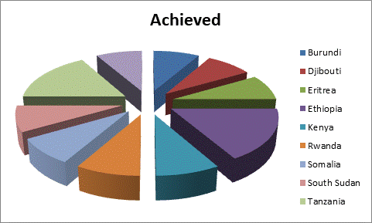
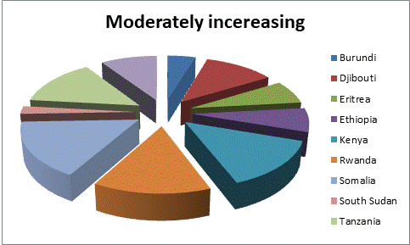
 | GOALS | 13 | 3,5,6,9,16,17 | 1,2,4,7,11,15
7 | Somalia | 1 | 7 | 5 | 1
 | GOALS | 13 | 5,6,8,11,14,16,17 | 2,3,7,9,15 | 1
8 | South Sudan | 1 | 1 | 9 | 2
 | GOALS | 13 | 7 | 2,3,5,6,8,9,11,15,17 | 1, 16
9 | Tanzania | 2 | 6 | 6 | 1
 | GOALS | 13, 8 | 5,6,7,11,14,16 | 1,2,3,4,9,17 | 15
10 | Uganda | 1 | 4 | 6 | 1
 | GOALS | 13 | 2,3,7,8 | 1,5,6,9,11,16,17 | 15

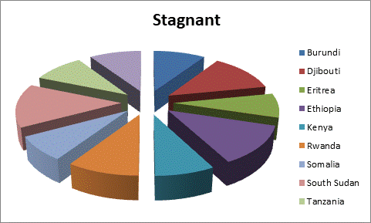
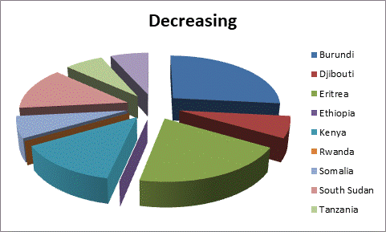
 | Most appearing | 13 | 3,5,7,8, | 2,5,6,9,11,16, | 15,

 | Most appeajing Achieved goap is goal number 13

